Sheet1
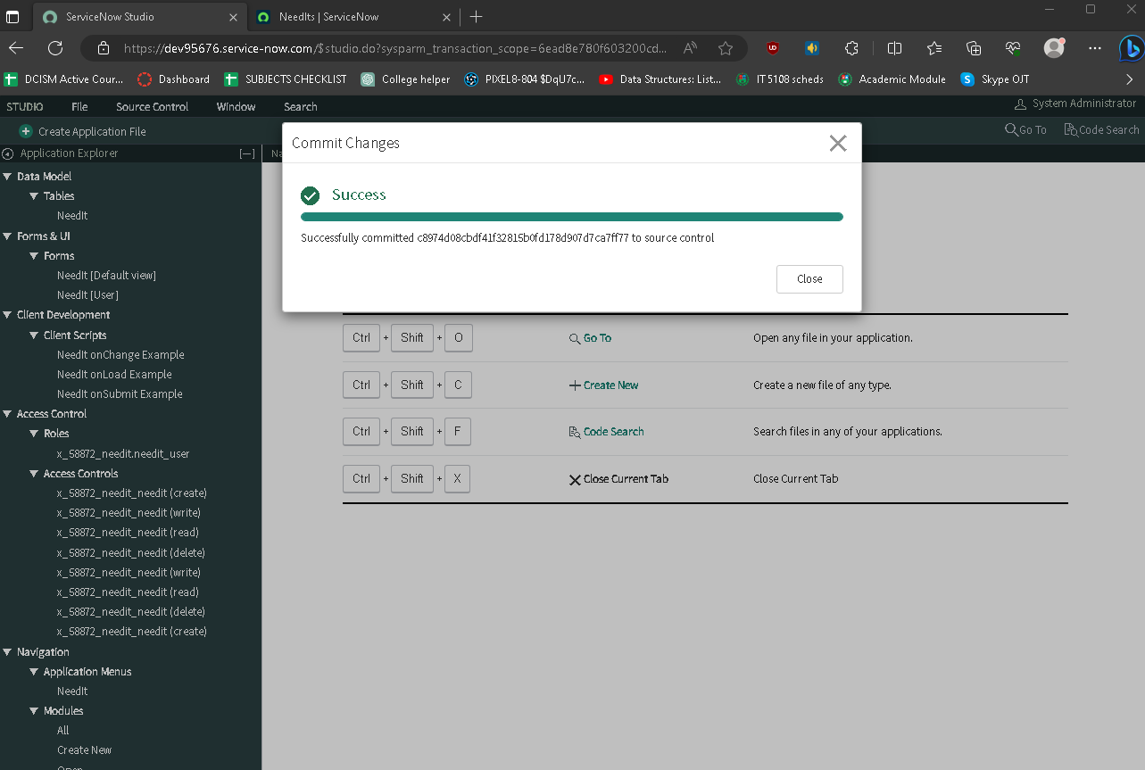
Name: | YEVGENY GRAZIO MARI ALBANO | Exercise/Laboratory: | Exercise 05 Commit Files
Block/Section: | IT 5108 | Date: | 09 / 25 / 2023
Github Repository Link:
Committing changes before pressing continue

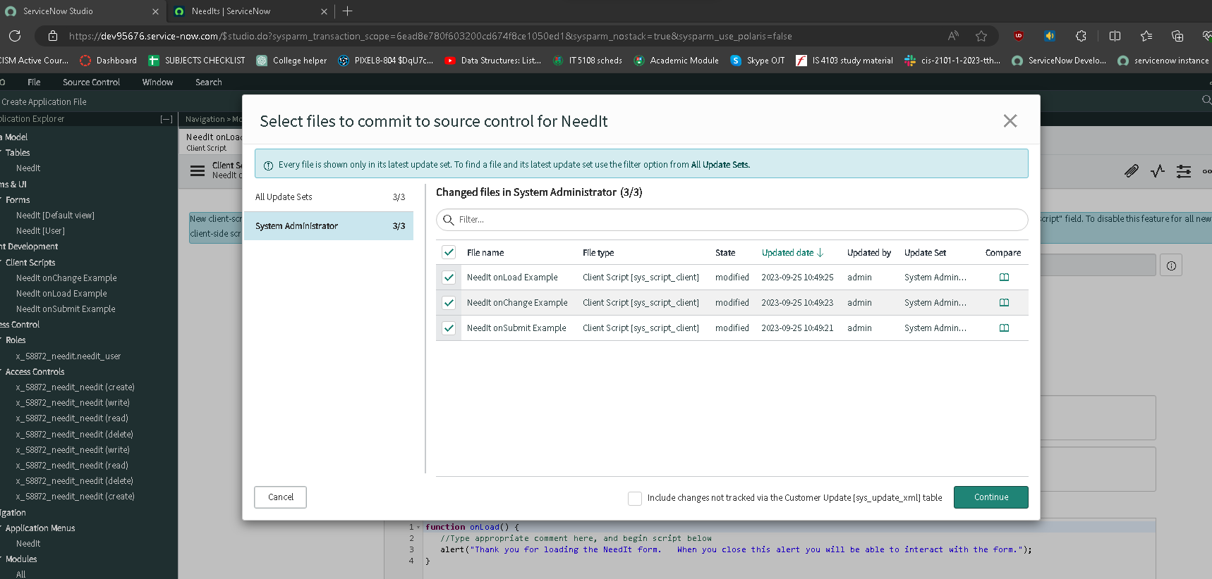

Committed changes

